Predilection RA
Species | Belly | Head | Leg | Neck | Shoulder | Tail | Total
A. coharenses | 1 | 2 | 2 | 2 | 0 | 2 | 9
A. variegatum | 7 | 6 | 15 | 4 | 0 | 15 | 47
B. annulatus | 213 | 133 | 175 | 118 | 21 | 158 | 818
B. decoloratus | 131 | 100 | 140 | 73 | 44 | 79 | 567
B. geigyi | 75 | 74 | 80 | 77 | 28 | 70 | 404
Boophilus sp. | 0 | 0 | 0 | 0 | 0 | 3 | 3
H. laechi | 0 | 1 | 0 | 0 | 0 | 2 | 3
R. gulhoni | 0 | 11 | 0 | 3 | 2 | 3 | 19
R. lunulatus | 2 | 9 | 4 | 0 | 4 | 7 | 26
R. muhsame | 1 | 5 | 1 | 1 | 0 | 2 | 10
R. quilhoni | 0 | 1 | 0 | 0 | 0 | 1 | 2
R. sanguineus | 0 | 11 | 0 | 3 | 0 | 0 | 14
R. senegalensis | 1 | 2 | 0 | 1 | 0 | 2 | 6
R. fanguineus | 1 | 0 | 0 | 0 | 0 | 0 | 1
R. gemma | 0 | 1 | 0 | 0 | 0 | 0 | 1
 | 432 | 356 | 417 | 282 | 99 | 344 | 1930

Sheet10
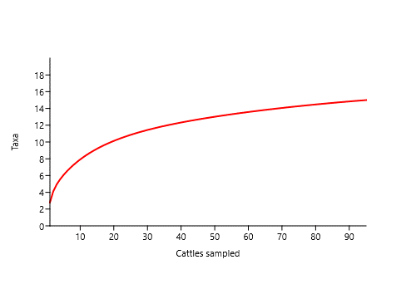
 | Estimate | Std.
Observed | 15
Chao 2 | 15.98 | 1.8
Jacknife 2 | 18.97

